F02
Speaker: F02 | Intelligibility: Low | Speech Vision Accuracy: 67.02

Model Name | Layers Frozen | Accuracy | Loss graph | Training accuracy graph
F03_E1.h5 | Encoder 1 | 47 |  | 

F03_E12.h5 | Encoder 12 | 45 |  | 

F03_E123 | Encoder 123 | 47 |  | 

F03_E1234 | Encode 1234 | 43 |  | 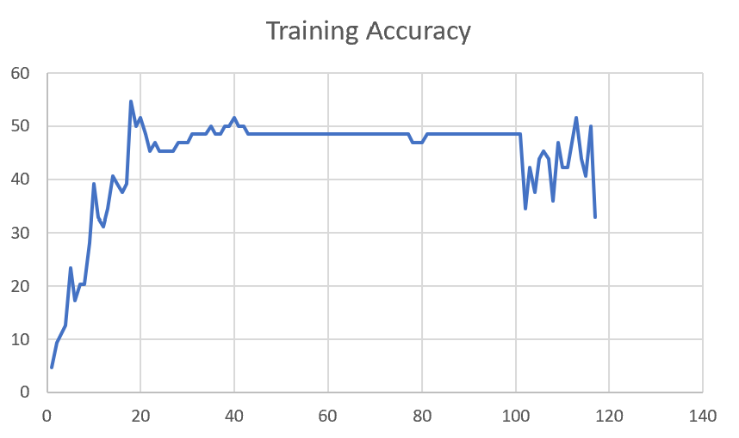

F03_E12345 | Encode 12345 | 41 | 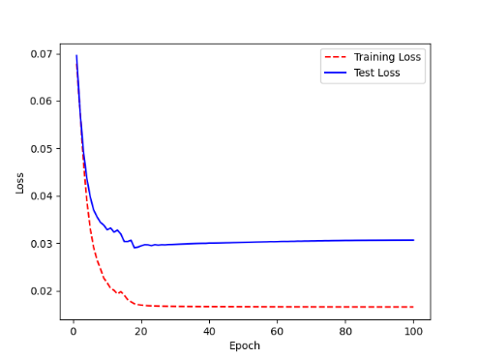 | 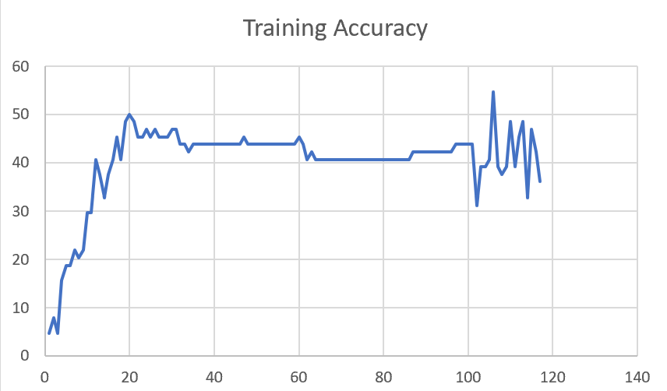

F03_t3 | Token Embeddings | 52 | 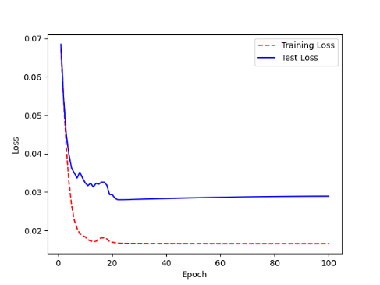 | 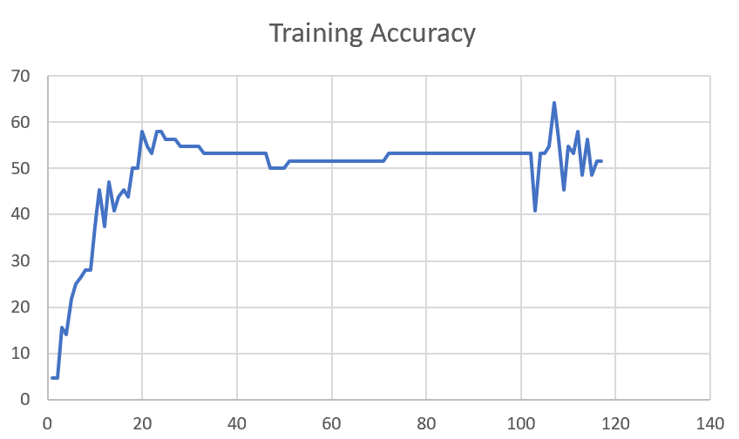

F03_T3+D123 | Token Embeddings + Decoder 123 | 45 | 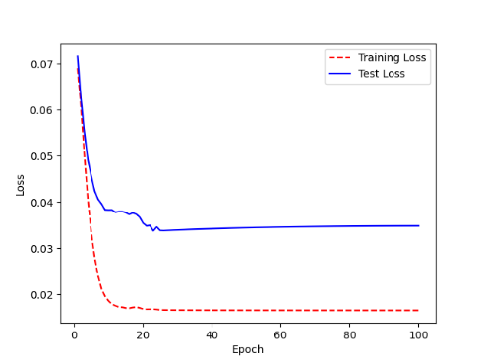 | 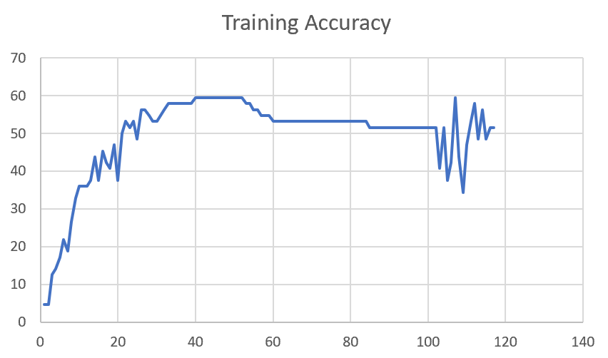

F03_T3+D12 | Token Embeddings + Decoder 12 | 50 | 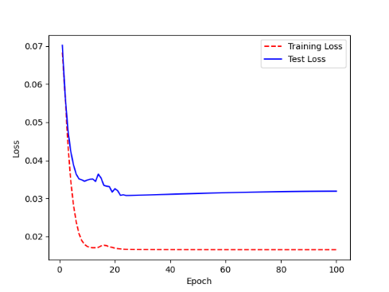 | 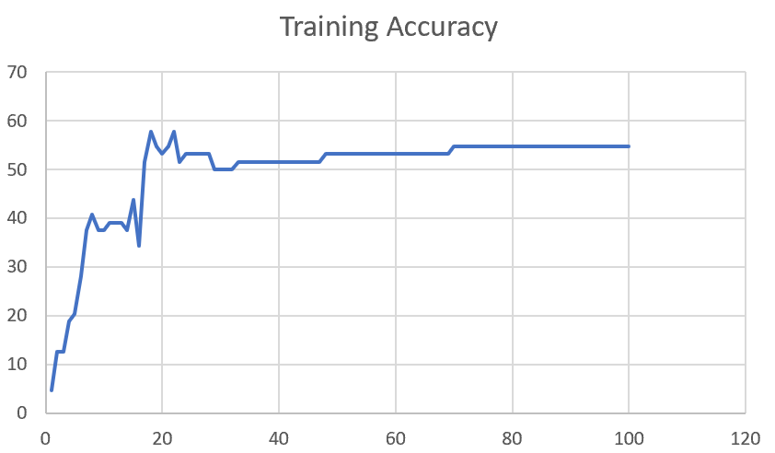

F03_T3+D1 | Token Embeddings + Decoder 1

F03_Dense | Dense

Sheet1
 |  |  | Training Accuracy
0 | 0.953125 | 1 | 4.6875
1 | 0.875 | 2 | 12.5
2 | 0.875 | 3 | 12.5
3 | 0.8125 | 4 | 18.75
4 | 0.796875 | 5 | 20.3125
5 | 0.71875 | 6 | 28.125
6 | 0.625 | 7 | 37.5
7 | 0.59375 | 8 | 40.625
8 | 0.625 | 9 | 37.5
9 | 0.625 | 10 | 37.5
10 | 0.609375 | 11 | 39.0625
11 | 0.609375 | 12 | 39.0625
12 | 0.609375 | 13 | 39.0625
13 | 0.625 | 14 | 37.5
14 | 0.5625 | 15 | 43.75
15 | 0.65625 | 16 | 34.375
16 | 0.484375 | 17 | 51.5625
17 | 0.421875 | 18 | 57.8125
18 | 0.453125 | 19 | 54.6875
19 | 0.46875 | 20 | 53.125
20 | 0.453125 | 21 | 54.6875
21 | 0.421875 | 22 | 57.8125
22 | 0.484375 | 23 | 51.5625
23 | 0.46875 | 24 | 53.125
24 | 0.46875 | 25 | 53.125
25 | 0.46875 | 26 | 53.125
26 | 0.46875 | 27 | 53.125
27 | 0.46875 | 28 | 53.125
28 | 0.5 | 29 | 50
29 | 0.5 | 30 | 50
30 | 0.5 | 31 | 50
31 | 0.5 | 32 | 50
32 | 0.484375 | 33 | 51.5625
33 | 0.484375 | 34 | 51.5625
34 | 0.484375 | 35 | 51.5625
35 | 0.484375 | 36 | 51.5625
36 | 0.484375 | 37 | 51.5625
37 | 0.484375 | 38 | 51.5625
38 | 0.484375 | 39 | 51.5625
39 | 0.484375 | 40 | 51.5625
40 | 0.484375 | 41 | 51.5625
41 | 0.484375 | 42 | 51.5625
42 | 0.484375 | 43 | 51.5625
43 | 0.484375 | 44 | 51.5625
44 | 0.484375 | 45 | 51.5625
45 | 0.484375 | 46 | 51.5625
46 | 0.484375 | 47 | 51.5625
47 | 0.46875 | 48 | 53.125
48 | 0.46875 | 49 | 53.125
49 | 0.46875 | 50 | 53.125
50 | 0.46875 | 51 | 53.125
51 | 0.46875 | 52 | 53.125
52 | 0.46875 | 53 | 53.125
53 | 0.46875 | 54 | 53.125
54 | 0.46875 | 55 | 53.125
55 | 0.46875 | 56 | 53.125
56 | 0.46875 | 57 | 53.125
57 | 0.46875 | 58 | 53.125
58 | 0.46875 | 59 | 53.125
59 | 0.46875 | 60 | 53.125
60 | 0.46875 | 61 | 53.125
61 | 0.46875 | 62 | 53.125
62 | 0.46875 | 63 | 53.125
63 | 0.46875 | 64 | 53.125
64 | 0.46875 | 65 | 53.125
65 | 0.46875 | 66 | 53.125
66 | 0.46875 | 67 | 53.125
67 | 0.46875 | 68 | 53.125
68 | 0.46875 | 69 | 53.125
69 | 0.453125 | 70 | 54.6875
70 | 0.453125 | 71 | 54.6875
71 | 0.453125 | 72 | 54.6875
72 | 0.453125 | 73 | 54.6875
73 | 0.453125 | 74 | 54.6875
74 | 0.453125 | 75 | 54.6875
75 | 0.453125 | 76 | 54.6875
76 | 0.453125 | 77 | 54.6875
77 | 0.453125 | 78 | 54.6875
78 | 0.453125 | 79 | 54.6875
79 | 0.453125 | 80 | 54.6875
80 | 0.453125 | 81 | 54.6875
81 | 0.453125 | 82 | 54.6875
82 | 0.453125 | 83 | 54.6875
83 | 0.453125 | 84 | 54.6875
84 | 0.453125 | 85 | 54.6875
85 | 0.453125 | 86 | 54.6875
86 | 0.453125 | 87 | 54.6875
87 | 0.453125 | 88 | 54.6875
88 | 0.453125 | 89 | 54.6875
89 | 0.453125 | 90 | 54.6875
90 | 0.453125 | 91 | 54.6875
91 | 0.453125 | 92 | 54.6875
92 | 0.453125 | 93 | 54.6875
93 | 0.453125 | 94 | 54.6875
94 | 0.453125 | 95 | 54.6875
95 | 0.453125 | 96 | 54.6875
96 | 0.453125 | 97 | 54.6875
97 | 0.453125 | 98 | 54.6875
98 | 0.453125 | 99 | 54.6875
99 | 0.453125 | 100 | 54.6875
<__main__.DisplayOutputs object at 0x7fe4b0374f70> | 0.453125 | #VALUE! | 54.6875
<__main__.DisplayOutputs object at 0x7fe4b0374f70> | 0.609375 | #VALUE! | 39.0625
<__main__.DisplayOutputs object at 0x7fe4b0374f70> | 0.46875 | #VALUE! | 53.125
<__main__.DisplayOutputs object at 0x7fe4b0374f70> | 0.546875 | #VALUE! | 45.3125
<__main__.DisplayOutputs object at 0x7fe4b0374f70> | 0.46875 | #VALUE! | 53.125
<__main__.DisplayOutputs object at 0x7fe4b0374f70> | 0.453125 | #VALUE! | 54.6875
<__main__.DisplayOutputs object at 0x7fe4b0374f70> | 0.515625 | #VALUE! | 48.4375
<__main__.DisplayOutputs object at 0x7fe4b0374f70> | 0.5625 | #VALUE! | 43.75
<__main__.DisplayOutputs object at 0x7fe4b0374f70> | 0.453125 | #VALUE! | 54.6875
<__main__.DisplayOutputs object at 0x7fe4b0374f70> | 0.5 | #VALUE! | 50
<__main__.DisplayOutputs object at 0x7fe4b0374f70> | 0.53125 | #VALUE! | 46.875
<__main__.DisplayOutputs object at 0x7fe4b0374f70> | 0.53125 | #VALUE! | 46.875
<__main__.DisplayOutputs object at 0x7fe4b0374f70> | 0.515625 | #VALUE! | 48.4375
<__main__.DisplayOutputs object at 0x7fe4b0374f70> | 0.5625 | #VALUE! | 43.75
<__main__.DisplayOutputs object at 0x7fe4b0374f70> | 0.453125 | #VALUE! | 54.6875
<__main__.DisplayOutputs object at 0x7fe4b0374f70> | 0.390625 | #VALUE! | 60.9375
<__main__.DisplayOutputs object at 0x7fe4b0374f70> | 0.55737704918 | #VALUE! | 44.262295082
<__main__.DisplayOutputs object at 0x7eff3012ee50> | 0.55737704918

